Sheet1
2008 Toyota Rav4 Sport 2.4
WHEEL HUB/FRONT AXLE HUB
Your Vehicle: 2008 Toyota Truck RAV4 2WD L4-2.4L (2AZ-FE)

 | Vehicle » Transmission and Drivetrain » Drive Axles, Bearings and Joints » Wheel Hub » Testing and Inspection » Front Axle Hub

 | Front Axle Hub

AXLE: FRONT AXLE HUB: ON-VEHICLE INSPECTION

ON-VEHICLE INSPECTION

1. CHECK FRONT AXLE HUB BEARING

(a) | Remove the front wheel.
(b) | Disconnect the front disc brake cylinder See: Brakes and Traction Control\Disc Brake System\Service and Repair\Front Brake\Removal.
(c) | Remove the front disc.
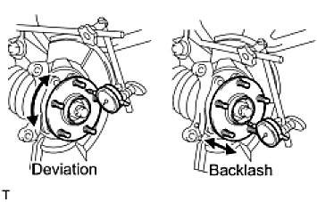

(d) | Inspect the axle hub backlash.
 | -1 | Using a dial indicator, check the backlash near the center of the axle hub.
 |  | Maximum backlash:
 |  | 0.05 mm (0.0020 in.)

If the backlash is greater than the maximum, replace the bearing.

(e) | Inspect the axle hub deviation.
 | -1 | Using a dial indicator, check the deviation on the surface of the axle hub.
 |  | Maximum deviation:
 |  | 0.05 mm (0.0020 in.)

If the deviation is greater than the maximum, replace the bearing.

